App
A-Eye

Please move to your first eye

About A-Eye
More Info

A-Eye

Hold the camera still
Keep the pupil in the circle
6

About A-Eye
More Info

A-Eye

Please move to your second eye

About A-Eye
More Info

A-Eye

Hold the camera still
Keep the iris in the circle
6

About A-Eye
More Info

A-Eye

Please move back to your first eye

About A-Eye
More Info

A-Eye

Hold the camera still
Keep the iris in the circle
6

About A-Eye
More Info

A-Eye
EN

The pupil xxx rate is
?????

Next check
Redo the check

About A-Eye
More Info

Web
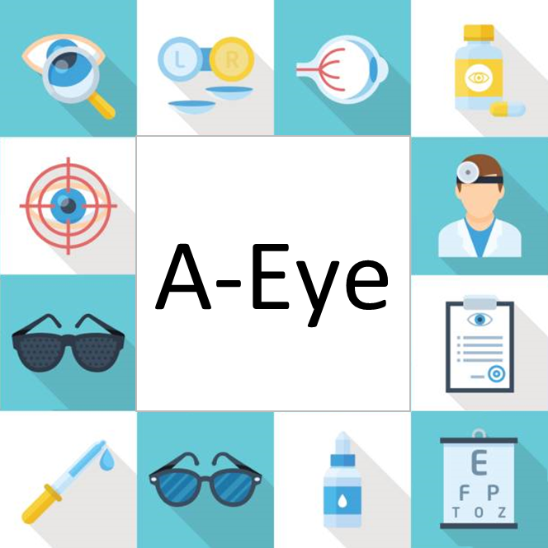

[Pic]

Please enter your account
A-EYE

Please enter your password

Log in

Register
Forget password

Powered by National University of Singapore

About A-Eye | Condition of use and privacy notice | Contact Us

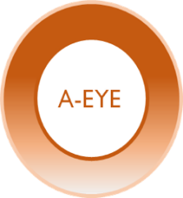
Feedback
ID xxxxxxxxx

Information
Change password
Log out

Patient Information
Name
Gentle
Age
IC
Past Medical History

Male
Female
Symptoms

Signs

Diagnosis &
Recommendation

Next

About A-Eye | Condition of use and privacy notice | Contact Us

Feedback
ID xxxxxxxxx

Please select the patient's symtoms

Patient Information
Red Eye
Eye Pain
Circumciliary injection

Symptoms
Headache
Eye itch
Eyelid swelling

Signs
Tearing
Blurred Vision
Metamorphopsia

Diagnosis &
Recommendation
Floaters
Photopsia

Previous
Next

About A-Eye | Condition of use and privacy notice | Contact Us

Feedback
ID xxxxxxxxx

Please continue select the patient's symtoms

Patient Information
Itch > Redness
Improves with lubricants
Resolves with lubricants

Symptoms
Wears contact lens
Trauma
Unilateral

Signs
Bilateral

Diagnosis &
Recommendation

Previous
Next

About A-Eye | Condition of use and privacy notice | Contact Us

Feedback
ID xxxxxxxxx

Please continue select the patient's symtoms

Patient Information
White spot on cornea
Mid-dilated pupils
RAPD

Symptoms

Signs

Diagnosis &
Recommendation

Previous
Next

About A-Eye | Condition of use and privacy notice | Contact Us

Feedback
ID xxxxxxxxx

xxxxxxxxxx
Patient Information

Symptons

Signs

Diagnosis &
Recommendation

Print
Email
Next Patient

About A-Eye | Condition of use and privacy notice | Contact Us

